NBA Heights
Assume that NBA player heights are normally distributed. |  |  |  |  | Mean | 200.8
Player ID | NBA Heights CM | Z-Score | Players SHORTER than this player | Players TALLER than this player | Standard Deviation | 8.29
1317 | 213.4
1334 | 195.5
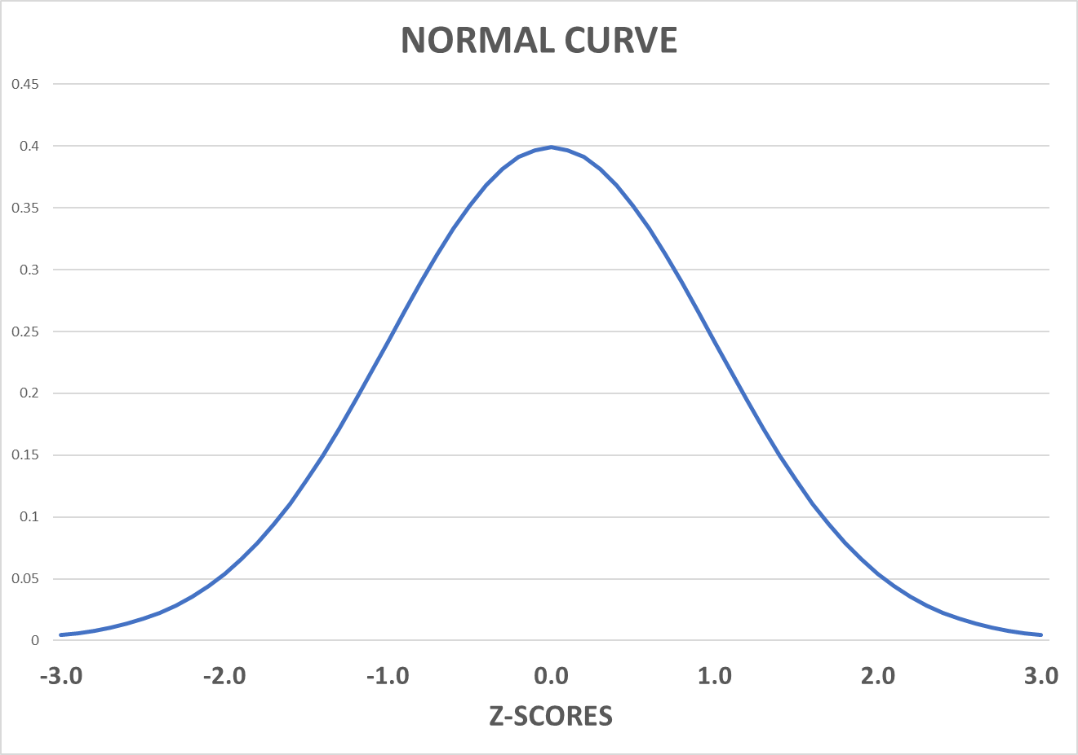
1362 | 188
1364 | 195.5
1446 | 210.8
1460 | 210.8
1463 | 201
1609 | 190.5
1648 | 190.5
1658 | 201
1749 | 210.8
1787 | 200.6
1813 | 198
1827 | 208
1836 | 205.7
1847 | 198
1862 | 200.6
1868 | 210.8
1909 | 193
1932 | 193
1933 | 213.4
1944 | 203
2012 | 213.4
2025 | 198
2097 | 213.4
2184 | 195.5
2235 | 203
2294 | 200.6
2397 | 203
2495 | 193
2501 | 205.7
2531 | 205.7
2548 | 193
2597 | 203
2619 | 195.5
2623 | 203
2648 | 200.6
2796 | 193
2891 | 203
3057 | 195.5
3125 | 190.5
3133 | 193
3154 | 216
3252 | 200.6
3256 | 195.5
3266 | 208
3292 | 203
3323 | 208
3339 | 203
3413 | 203
3512 | 208.3
3514 | 193
3585 | 208.3
3617 | 198
3618 | 203
3698 | 203
3702 | 200.6
3748 | 198
3754 | 210.8
3765 | 200.6
3789 | 198
3814 | 210.8
3837 | 200.6
3877 | 188
3885 | 213.4
3926 | 210.8
3988 | 200.6
4034 | 205.7
4035 | 185.5
4184 | 188
4221 | 203
4255 | 208
4262 | 231.1
4289 | 203
4327 | 210.8
4359 | 195.5
4395 | 200.6
4452 | 180.5
4469 | 190.5
4495 | 200.6
4707 | 185.5
4740 | 198
4857 | 188
4885 | 198
4912 | 205.7
5011 | 201
5023 | 195.5
5055 | 185.5
5139 | 216
5226 | 190.5
5359 | 201
5368 | 198
5379 | 208.3
5408 | 200.6
5415 | 205.7
5437 | 198
5442 | 203
5507 | 201
5567 | 190.5
5592 | 190.5

